Sheet1
 | Screen Space Layout
 | 1 | 2 | 3 | 4 | 5 | 6 | 7 | 8 | 9 | 10 | 11 | 12 | 13 | 14 | 15 | 16 | 17 | 18 | 19 | 20
1 | C | U | E | # | : | 1 | 0 | 4 | . | 0 | 0 | 0 |  | L | I | S | T | : | 0 | 1 | Yellow Designates Variable values that changes with incoming MSC cue
2 | T | Y | P | E | : | A | L | L |  |  |  |  |  |  |  | I | D | : | 0 | 1 | Gold Designates Status Changes
3 | F | 0 | 7 | F | 0 | 1 | 0 | 2 | 7 | F | 0 | 1 | 3 | 2 | 2 | E | 3 | 5 | F | 7
4 |  |  |  |  |  |  |  |  | / | M | S | C |  | P | A | U | S | E | D

 |  |  |  |  |  |  |  |  |  |  |  |  |  |  |  |  |  |  |  |  | Example: | F0 7F 01 02 7F 01 32 2E 35 F7
 | Screen Layout Examples |  |  |  |  |  |  |  |  |  |  |  |  |  |  |  |  |  |  |  | The purpose of each byte of the message is explained below:
Pause | C | U | E | # | : | 1 | 0 | 4 | . | 0 | 0 | 0 |  | L | I | S | T | : | 0 | 1
 | T | Y | P | E | : | S | O | U | N | D |  |  |  |  |  | I | D | : | 0 | 1 | F0: MIDI SysEx start byte
 | F | 0 | 7 | F | 0 | 1 | 0 | 2 | 7 | F | 0 | 1 | 3 | 2 | 2 | E | 3 | 5 | F | 7
 |  |  |  |  |  |  |  |  | - | M | S | C | * | P | A | U | S | E | D | * | 7F: Denotes that this is a MIDI Universal Real Time System message (MSC is a subset of this)

Pass Thru | C | U | E | # | : | 1 | 0 | 4 | . | 0 | 0 | 0 |  | L | I | S | T | : | 0 | 1 | 01: The device ID (or 'channel' as it is called on the Ion), in this case 1
 | T | Y | P | E | : | L | I | G | H | T |  |  |  |  |  | I | D | : | 0 | 1
 | F | 0 | 7 | F | 0 | 1 | 0 | 2 | 7 | F | 0 | 1 | 3 | 2 | 2 | E | 3 | 5 | F | 7 | 02: Denotes that this is a MIDI Show Control message
 |  |  |  |  |  |  |  |  | - | M | S | C | - | P | A | S | S |  | > | >
 |  |  |  |  |  |  |  |  |  |  |  |  |  |  |  |  |  |  |  |  | 7F: The 'Command Format' - the type of device at which this message is targetted. 7F denotes 'All Types'. Others include 01 lighting (general), 10 for sound (general), and 61 for fireworks(!!)
Cue Fired | C | U | E | # | : | 1 | 0 | 4 | . | 0 | 0 | 0 |  | L | I | S | T | : | 0 | 1
for .5 sec | T | Y | P | E | : | A | L | L |  |  |  |  |  |  |  | I | D | : | 0 | 1 | 01: The MSC command to send. 01 denotes 'Go'. Others include 02 Stop, 03 Resume, 04 Timed Go, 05 Load, 06 Set, 07 Fire, 08 All Off, 09 Restore, 0A Reset, 0B Go Off, 11 Standby+, 12 Standby-, 13 Sequence+, 14 Sequence-. Different devices understand different subsets of these, e.g. for Qlab see here, and for the Ion see here.
 | F | 0 | 7 | F | 0 | 1 | 0 | 2 | 7 | F | 0 | 1 | 3 | 2 | 2 | E | 3 | 5 | F | 7
 |  |  |  |  |  |  |  |  | - |  |  |  |  | GO |  |  |  |  |  |  | 32 2E 35: The cue number. It is in ASCII, so the bytes 30-39 are used. For point cues, the period (2E) is used. For most MSC commands, the cue number is optional, in which case the device simply fires the next cue in sequence.
 |  |  |  |  |  |  |  |  |  |  |  |  |  |  |  |  |  |  |  |  | Cue | 1999.999= | 7cf2e3e7 | 9999.9999= | 270f2e270f
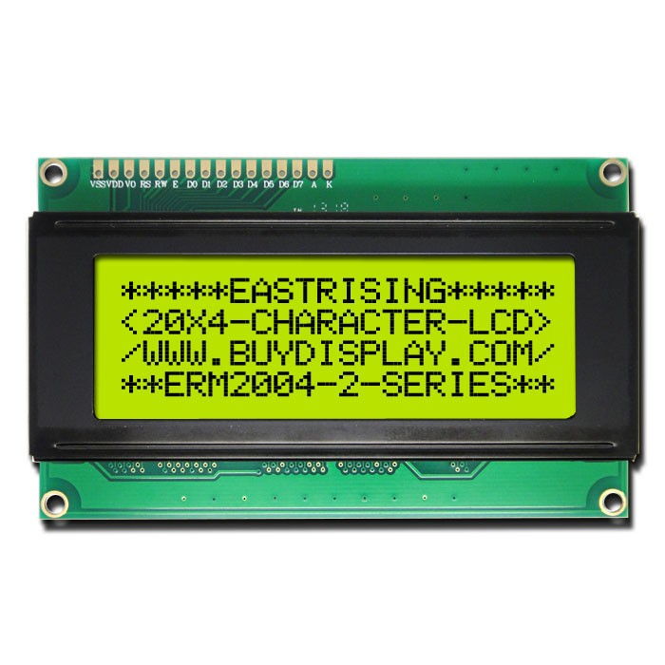
 | C | U | E | # | : | 1 | 0 | 4 | . | 0 | 0 | 0 |  | L | I | S | T | : | 0 | 1 | F0: MIDI SysEx stop byte
 | T | Y | P | E | : | A | L | L |  |  |  |  |  |  |  | I | D | : | 0 | 1
 | F | 0 | 7 | F | 0 | 1 | 0 | 2 | 7 | F | 0 | 1 | 3 | 2 | 2 | E | 3 | 5 | F | 7
 |  |  |  |  |  |  |  |  | - |  |  |  | S | T | O | P

 | C | U | E | # | : | 1 | 0 | 4 | . | 0 | 0 | 0 |  | L | I | S | T | : | 0 | 1
 | T | Y | P | E | : | A | L | L |  |  |  |  |  |  |  | I | D | : | 0 | 1
 | F | 0 | 7 | F | 0 | 1 | 0 | 2 | 7 | F | 0 | 1 | 3 | 2 | 2 | E | 3 | 5 | F | 7
 |  |  |  |  |  |  |  |  | - |  |  |  | G | O | - | O | F | F

 | C | U | E | # | : | 1 | 0 | 4 | . | 0 | 0 | 0 |  | L | I | S | T | : | 0 | 1
 | T | Y | P | E | : | A | L | L |  |  |  |  |  |  |  | I | D | : | 0 | 1
 | F | 0 | 7 | F | 0 | 1 | 0 | 2 | 7 | F | 0 | 1 | 3 | 2 | 2 | E | 3 | 5 | F | 7
 |  |  |  |  |  |  |  |  | - |  |  |  | G | O | - | O | F | F
 |  |  |  |  |  |  |  |  |  |  |  |  |  |  |  |  |  |  |  |  |  | http://old.camdram.net/infobase/how_to/midi_show_control

 |  |  |  |  |  |  |  |  |  |  |  |  |  |  |  |  |  |  |  |  |  | http://www.richmondsounddesign.com/docs/midi-show-control-specification.pdf

